FI Results 20210330a
Feature Importance Rating by Feature and Model
Average of Feature Importance | Model
Feature | Decision Tree | Logistic Regression | Random Forest
AST | 2.7% | 5.4% | 0.9%
BLK | 1.2% | 5.5% | 0.6%
BLKA | 1.2% | 0.6% | 1.5%
DD2 | 0.1% | 2.1% | 0.0%
DREB | 3.6% | 6.0% | 1.7%
FG_PCT | 3.1% | 12.1% | 6.0%
FG3_PCT | 1.7% | 4.0% | 10.4%
FG3A | 2.3% | 1.5% | 3.5%
FG3M | 0.8% | 8.9% | 6.5%
FGM | 1.7% | 6.6% | 0.7%
FT_PCT | 1.3% | 6.8% | 0.2%
FTA | 2.1% | 4.3% | 0.3%
MIN | 14.4% | 2.7% | 3.4%
OREB | 1.9% | 3.7% | 0.2%
PER | 11.0% | 3.1% | 15.5%
PF | 3.4% | 0.0% | 3.1%
PFD | 1.9% | 3.6% | 0.2%
PIE | 13.4% | 1.0% | 15.0%
PLUS_MINUS | 28.6% | 4.6% | 29.7%
STL | 1.9% | 6.0% | 0.0%
TD3 | 0.0% | 10.6% | 0.0%
TOV | 1.6% | 0.9% | 0.5%

Results 20210330a
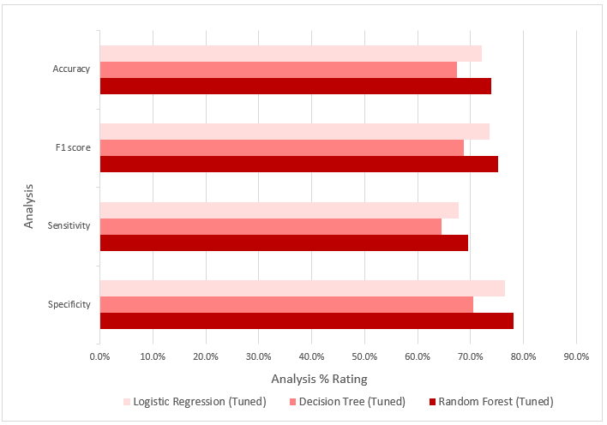
 | ================= Model Analysis Summary ================== |  |  |  |  |  |  |  | Feature Importance
 |  |  |  |  |  |  |  |  | Logistic Regression |  |  |  |  | Decision Tree |  |  | Random Forest
 | Model | Accuracy | F1 score | Recall | Precision | Sensitivity | Specificity |  |  | Feature | Feature Importance |  |  |  | Feature | Feature Importance |  | Feature | Feature Importance
 | Logistic Regression | 0.7218 | 0.7360 | 0.7646 | 0.7095 | 0.6778 | 0.7646 |  | 2 | FG_PCT | 0.809749 | 1.093743 | 12.1% | 17 | PLUS_MINUS | 28.6% | 17 | PLUS_MINUS | 29.7%
 | Logistic Regression (Tuned) | 0.7218 | 0.7360 | 0.7646 | 0.7095 | 0.6778 | 0.7646 |  | 19 | TD3 | 0.672363 | 0.956357 | 10.6% | 0 | MIN | 14.4% | 21 | PER | 15.5%
 | Decision Tree | 0.6747 | 0.6871 | 0.7042 | 0.6709 | 0.6444 | 0.7042 |  | 3 | FG3M | 0.516804 | 0.800798 | 8.9% | 20 | PIE | 13.4% | 20 | PIE | 15.0%
 | Decision Tree (Tuned) | 0.6747 | 0.6871 | 0.7042 | 0.6709 | 0.6444 | 0.7042 |  | 7 | FT_PCT | 0.332439 | 0.616433 | 6.8% | 21 | PER | 11.0% | 5 | FG3_PCT | 10.4%
 | Random Forest | 0.6740 | 0.7261 | 0.8521 | 0.6326 | 0.4906 | 0.8521 |  | 1 | FGM | 0.315282 | 0.599276 | 6.6% | 9 | DREB | 3.6% | 3 | FG3M | 6.5%
 | Random Forest (Tuned) | 0.7385 | 0.7520 | 0.7813 | 0.7247 | 0.6945 | 0.7813 |  | 9 | DREB | 0.262275 | 0.546269 | 6.0% | 15 | PF | 3.4% | 2 | FG_PCT | 6.0%
 |  |  |  |  |  |  |  |  | 12 | STL | 0.256481 | 0.540475 | 6.0% | 2 | FG_PCT | 3.1% | 4 | FG3A | 3.5%
 |  |  |  |  |  |  |  |  | 13 | BLK | 0.215975 | 0.499969 | 5.5% | 10 | AST | 2.7% | 0 | MIN | 3.4%
 |  |  |  |  |  |  |  |  | 10 | AST | 0.203589 | 0.487583 | 5.4% | 4 | FG3A | 2.3% | 15 | PF | 3.1%
 |  |  |  |  |  |  |  |  | 17 | PLUS_MINUS | 0.132516 | 0.41651 | 4.6% | 6 | FTA | 2.1% | 9 | DREB | 1.7%
 |  |  |  |  |  |  |  |  | 6 | FTA | 0.102326 | 0.38632 | 4.3% | 16 | PFD | 1.9% | 14 | BLKA | 1.5%
 |  |  |  |  |  |  |  |  | 5 | FG3_PCT | 0.081017 | 0.365011 | 4.0% | 8 | OREB | 1.9% | 10 | AST | 0.9%
 |  |  |  |  |  |  |  |  | 8 | OREB | 0.04689 | 0.330884 | 3.7% | 12 | STL | 1.9% | 1 | FGM | 0.7%
 |  |  |  |  |  |  |  |  | 16 | PFD | 0.039953 | 0.323947 | 3.6% | 5 | FG3_PCT | 1.7% | 13 | BLK | 0.6%
 | Model | Specificity | Sensitivity | F1 score | Accuracy |  |  |  | 21 | PER | -0.001208 | 0.282786 | 3.1% | 1 | FGM | 1.7% | 11 | TOV | 0.5%
3 | Random Forest (Tuned) | 78.1% | 69.4% | 75.2% | 73.9% |  |  |  | 0 | MIN | -0.040649 | 0.243345 | 2.7% | 11 | TOV | 1.6% | 6 | FTA | 0.3%
2 | Decision Tree (Tuned) | 70.4% | 64.4% | 68.7% | 67.5% |  |  |  | 18 | DD2 | -0.093773 | 0.190221 | 2.1% | 7 | FT_PCT | 1.3% | 16 | PFD | 0.2%
1 | Logistic Regression (Tuned) | 76.5% | 67.8% | 73.6% | 72.2% |  |  |  | 4 | FG3A | -0.152669 | 0.131325 | 1.5% | 14 | BLKA | 1.2% | 8 | OREB | 0.2%
 |  |  |  |  |  |  |  |  | 20 | PIE | -0.189267 | 0.094727 | 1.0% | 13 | BLK | 1.2% | 7 | FT_PCT | 0.2%
 |  |  |  |  |  |  |  |  | 11 | TOV | -0.20297 | 0.081024 | 0.9% | 3 | FG3M | 0.8% | 19 | TD3 | 0.0%
 |  |  |  |  |  |  |  |  | 14 | BLKA | -0.231704 | 0.05229 | 0.6% | 18 | DD2 | 0.1% | 12 | STL | 0.0%
 |  |  |  |  |  |  |  |  | 15 | PF | -0.283994 | 0 | 0.0% | 19 | TD3 | 0.0% | 18 | DD2 | 0.0%
 |  |  |  |  |  |  |  |  |  |  |  | 9.039293

 |  |  |  |  |  |  |  |  |  | Logistic Regression |  |  | Decision Tree |  |  | Random Forest
 |  |  |  |  |  |  |  |  |  | Feature | Feature Importance |  | Feature | Feature Importance |  | Feature | Feature Importance
 |  |  |  |  |  |  |  |  | 2 | FG_PCT | 12.1% | 17 | PLUS_MINUS | 28.6% | 17 | PLUS_MINUS | 29.7%
 |  |  |  |  |  |  |  |  | 19 | TD3 | 10.6% | 0 | MIN | 14.4% | 21 | PER | 15.5%
 |  |  |  |  |  |  |  |  | 3 | FG3M | 8.9% | 20 | PIE | 13.4% | 20 | PIE | 15.0%
 |  |  |  |  |  |  |  |  | 7 | FT_PCT | 6.8% | 21 | PER | 11.0% | 5 | FG3_PCT | 10.4%
 |  |  |  |  |  |  |  |  | 1 | FGM | 6.6% | 9 | DREB | 3.6% | 3 | FG3M | 6.5%
 |  |  |  |  |  |  |  |  | 9 | DREB | 6.0% | 15 | PF | 3.4% | 2 | FG_PCT | 6.0%
 |  |  |  |  |  |  |  |  | 12 | STL | 6.0% | 2 | FG_PCT | 3.1% | 4 | FG3A | 3.5%
 |  |  |  |  |  |  |  |  | 13 | BLK | 5.5% | 10 | AST | 2.7% | 0 | MIN | 3.4%
 |  |  |  |  |  |  |  |  | 10 | AST | 5.4% | 4 | FG3A | 2.3% | 15 | PF | 3.1%
 |  |  |  |  |  |  |  |  | 17 | PLUS_MINUS | 4.6% | 6 | FTA | 2.1% | 9 | DREB | 1.7%
 |  |  |  |  |  |  |  |  | 6 | FTA | 4.3% | 16 | PFD | 1.9% | 14 | BLKA | 1.5%
 |  |  |  |  |  |  |  |  | 5 | FG3_PCT | 4.0% | 8 | OREB | 1.9% | 10 | AST | 0.9%
 |  |  |  |  |  |  |  |  | 8 | OREB | 3.7% | 12 | STL | 1.9% | 1 | FGM | 0.7%
 |  |  |  |  |  |  |  |  | 16 | PFD | 3.6% | 5 | FG3_PCT | 1.7% | 13 | BLK | 0.6%
 |  |  |  |  |  |  |  |  | 21 | PER | 3.1% | 1 | FGM | 1.7% | 11 | TOV | 0.5%
 |  |  |  |  |  |  |  |  | 0 | MIN | 2.7% | 11 | TOV | 1.6% | 6 | FTA | 0.3%
 |  |  |  |  |  |  |  |  | 18 | DD2 | 2.1% | 7 | FT_PCT | 1.3% | 16 | PFD | 0.2%
 |  |  |  |  |  |  |  |  | 4 | FG3A | 1.5% | 14 | BLKA | 1.2% | 8 | OREB | 0.2%
 |  |  |  |  |  |  |  |  | 20 | PIE | 1.0% | 13 | BLK | 1.2% | 7 | FT_PCT | 0.2%
 |  |  |  |  |  |  |  |  | 11 | TOV | 0.9% | 3 | FG3M | 0.8% | 19 | TD3 | 0.0%
 |  |  |  |  |  |  |  |  | 14 | BLKA | 0.6% | 18 | DD2 | 0.1% | 12 | STL | 0.0%
 |  |  |  |  |  |  |  |  | 15 | PF | 0.0% | 19 | TD3 | 0.0% | 18 | DD2 | 0.0%
 |  |  | Feature | Feature Importance
 |  |  | 2 | FG_PCT | 0.809749 |  |  |  | Feature |  | Feature |  | Feature
 |  |  | 19 | TD3 | 0.672363 |  |  |  | Logistic Regression |  | Decision Tree |  | Random Forest
 |  |  | 3 | FG3M | 0.516804 |  |  |  | Feature | Feature Importance | Feature | Feature Importance | Feature | Feature Importance
 |  |  | 7 | FT_PCT | 0.332439 |  |  |  | FG_PCT | 12.1% | PLUS_MINUS | 28.6% | PLUS_MINUS | 29.7%
 |  |  | 1 | FGM | 0.315282 |  |  |  | TD3 | 10.6% | MIN | 14.4% | PER | 15.5%
 |  |  | 9 | DREB | 0.262275 |  |  |  | FG3M | 8.9% | PIE | 13.4% | PIE | 15.0%
 |  |  | 12 | STL | 0.256481 |  |  |  | FT_PCT | 6.8% | PER | 11.0% | FG3_PCT | 10.4%
 |  |  | 13 | BLK | 0.215975 |  |  |  | FGM | 6.6% | DREB | 3.6% | FG3M | 6.5%
 |  |  | 10 | AST | 0.203589 |  |  |  | DREB | 6.0% | PF | 3.4% | FG_PCT | 6.0%
 |  |  | 17 | PLUS_MINUS | 0.132516 |  |  |  | STL | 6.0% | FG_PCT | 3.1% | FG3A | 3.5%
 |  |  | 6 | FTA | 0.102326 |  |  |  | BLK | 5.5% | AST | 2.7% | MIN | 3.4%
 |  |  | 5 | FG3_PCT | 0.081017 |  |  |  | AST | 5.4% | FG3A | 2.3% | PF | 3.1%
 |  |  | 8 | OREB | 0.04689 |  |  |  | PLUS_MINUS | 4.6% | FTA | 2.1% | DREB | 1.7%
 |  |  | 16 | PFD | 0.039953 |  |  |  | FTA | 4.3% | PFD | 1.9% | BLKA | 1.5%
 |  |  | 21 | PER | -0.001208 |  |  |  | FG3_PCT | 4.0% | OREB | 1.9% | AST | 0.9%
 |  |  | 0 | MIN | -0.040649 |  |  |  | OREB | 3.7% | STL | 1.9% | FGM | 0.7%
 |  |  | 18 | DD2 | -0.093773 |  |  |  | PFD | 3.6% | FG3_PCT | 1.7% | BLK | 0.6%
 |  |  | 4 | FG3A | -0.152669 |  |  |  | PER | 3.1% | FGM | 1.7% | TOV | 0.5%
 |  |  | 20 | PIE | -0.189267 |  |  |  | MIN | 2.7% | TOV | 1.6% | FTA | 0.3%
 |  |  | 11 | TOV | -0.20297 |  |  |  | DD2 | 2.1% | FT_PCT | 1.3% | PFD | 0.2%
 |  |  | 14 | BLKA | -0.231704 |  |  |  | FG3A | 1.5% | BLKA | 1.2% | OREB | 0.2%
 |  |  | 15 | PF | -0.283994 |  |  |  | PIE | 1.0% | BLK | 1.2% | FT_PCT | 0.2%
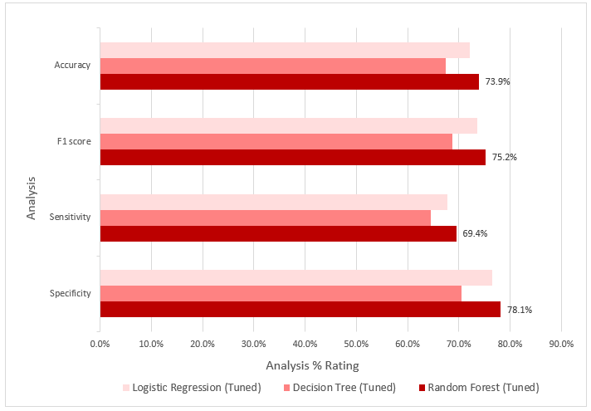
 |  |  |  |  |  |  |  |  | TOV | 0.9% | FG3M | 0.8% | TD3 | 0.0%
 |  |  |  |  |  |  |  |  | BLKA | 0.6% | DD2 | 0.1% | STL | 0.0%
 |  |  |  |  |  |  |  |  | PF | 0.0% | TD3 | 0.0% | DD2 | 0.0%

 |  |  |  |  |  |  |  | Model | Feature | Feature Importance |  |  |  |  |  | PLUS_MINUS | 39%
 |  |  |  |  |  |  |  | Logistic Regression | FG_PCT | 12.1% |  |  |  |  |  | PER | 18%
 |  |  |  |  |  |  |  | Logistic Regression | TD3 | 10.6% |  |  |  |  |  | PIE | 13%
 |  |  |  |  |  |  |  | Logistic Regression | FG3M | 8.9%
 |  |  |  |  |  |  |  | Logistic Regression | FT_PCT | 6.8%
 |  |  |  |  |  |  |  | Logistic Regression | FGM | 6.6%
 |  |  |  |  |  |  |  | Logistic Regression | DREB | 6.0%
 |  |  |  |  |  |  |  | Logistic Regression | STL | 6.0%
 |  |  |  |  |  |  |  | Logistic Regression | BLK | 5.5%
 |  |  |  |  |  |  |  | Logistic Regression | AST | 5.4%
 |  |  |  |  |  |  |  | Logistic Regression | PLUS_MINUS | 4.6%
 |  |  |  |  |  |  |  | Logistic Regression | FTA | 4.3%
 |  |  |  |  |  |  |  | Logistic Regression | FG3_PCT | 4.0%
 |  |  |  |  |  |  |  | Logistic Regression | OREB | 3.7%
 |  |  |  |  |  |  |  | Logistic Regression | PFD | 3.6%
 |  |  |  |  |  |  |  | Logistic Regression | PER | 3.1%
 |  |  |  |  |  |  |  | Logistic Regression | MIN | 2.7%
 |  |  |  |  |  |  |  | Logistic Regression | DD2 | 2.1%
 |  |  |  |  |  |  |  | Logistic Regression | FG3A | 1.5%
 |  |  |  |  |  |  |  | Logistic Regression | PIE | 1.0%
 |  |  |  |  |  |  |  | Logistic Regression | TOV | 0.9%
 |  |  |  |  |  |  |  | Logistic Regression | BLKA | 0.6%
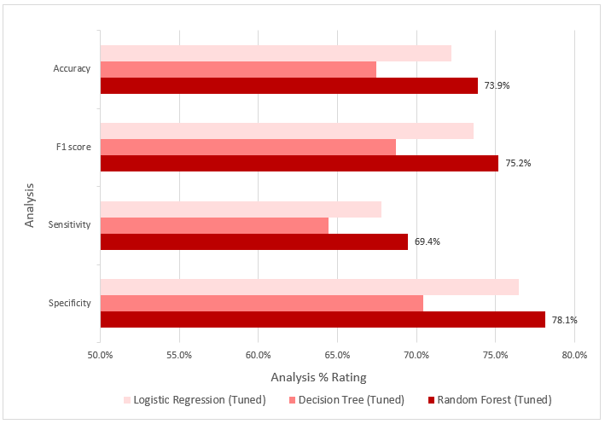
 |  |  |  |  |  |  |  | Logistic Regression | PF | 0.0%
 |  |  |  |  |  |  |  | Decision Tree | PLUS_MINUS | 28.6%
 |  |  |  |  |  |  |  | Decision Tree | MIN | 14.4%
 |  |  |  |  |  |  |  | Decision Tree | PIE | 13.4%
 |  |  |  |  |  |  |  | Decision Tree | PER | 11.0%
 |  |  |  |  |  |  |  | Decision Tree | DREB | 3.6%
 |  |  |  |  |  |  |  | Decision Tree | PF | 3.4%
 |  |  |  |  |  |  |  | Decision Tree | FG_PCT | 3.1%
 |  |  |  |  |  |  |  | Decision Tree | AST | 2.7%
 |  |  |  |  |  |  |  | Decision Tree | FG3A | 2.3%
 |  |  |  |  |  |  |  | Decision Tree | FTA | 2.1%
 |  |  |  |  |  |  |  | Decision Tree | PFD | 1.9%
 |  |  |  |  |  |  |  | Decision Tree | OREB | 1.9%
 |  |  |  |  |  |  |  | Decision Tree | STL | 1.9%
 |  |  |  |  |  |  |  | Decision Tree | FG3_PCT | 1.7%
 |  |  |  |  |  |  |  | Decision Tree | FGM | 1.7%
 |  |  |  |  |  |  |  | Decision Tree | TOV | 1.6%
 |  |  |  |  |  |  |  | Decision Tree | FT_PCT | 1.3%
 |  |  |  |  |  |  |  | Decision Tree | BLKA | 1.2%
 |  |  |  |  |  |  |  | Decision Tree | BLK | 1.2%
 |  |  |  |  |  |  |  | Decision Tree | FG3M | 0.8%
 |  |  |  |  |  |  |  | Decision Tree | DD2 | 0.1%
 |  |  |  |  |  |  |  | Decision Tree | TD3 | 0.0%
 |  |  |  |  |  |  |  | Random Forest | PLUS_MINUS | 29.7%
 |  |  |  |  |  |  |  | Random Forest | PER | 15.5%
 |  |  |  |  |  |  |  | Random Forest | PIE | 15.0%
 |  |  |  |  |  |  |  | Random Forest | FG3_PCT | 10.4%
 |  |  |  |  |  |  |  | Random Forest | FG3M | 6.5%
 |  |  |  |  |  |  |  | Random Forest | FG_PCT | 6.0%
 |  |  |  |  |  |  |  | Random Forest | FG3A | 3.5%
 |  |  |  |  |  |  |  | Random Forest | MIN | 3.4%
 |  |  |  |  |  |  |  | Random Forest | PF | 3.1%
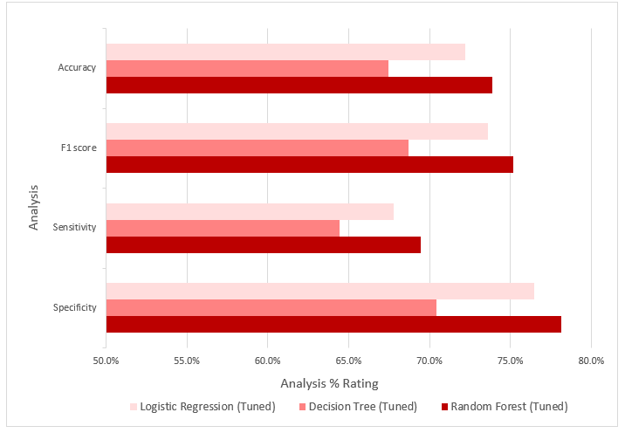
 |  |  |  |  |  |  |  | Random Forest | DREB | 1.7%
 |  |  |  |  |  |  |  | Random Forest | BLKA | 1.5%
 |  |  |  |  |  |  |  | Random Forest | AST | 0.9%
 |  |  |  |  |  |  |  | Random Forest | FGM | 0.7%
 |  |  |  |  |  |  |  | Random Forest | BLK | 0.6%
 |  |  |  |  |  |  |  | Random Forest | TOV | 0.5%
 |  |  |  |  |  |  |  | Random Forest | FTA | 0.3%
 |  |  |  |  |  |  |  | Random Forest | PFD | 0.2%
 |  |  |  |  |  |  |  | Random Forest | OREB | 0.2%
 |  |  |  |  |  |  |  | Random Forest | FT_PCT | 0.2%
 |  |  |  |  |  |  |  | Random Forest | TD3 | 0.0%
 |  |  |  |  |  |  |  | Random Forest | STL | 0.0%
 |  |  |  |  |  |  |  | Random Forest | DD2 | 0.0%

Prediction
 | Test case used data for 2019-2020 season

 | Season | Wins | Wins with Applied Roster Changes | % Improvement
1 | Forecasted Season | 53 | 12 | 16.7% | 5493 | 286 | 0.95051046894 |  | Model | Specificity | Sensitivity | F1 score | Accuracy
2 | 2019-2020 | 53 |  |  | 167 | 5615 | 0.97111726046 |  | Random Forest (Tuned) | 78.1% | 69.4% | 75.2% | 73.9%
 | Forecasted Season with recommended player selection Model Accuracy of 96% | 65
 | Total games | 72 |  |  |  |  |  |  |  | Random Forest
 | Improvement | 12 |  |  |  |  |  | 1 | Specificity | 97.1%
 | % Improvement | 16.7% |  |  |  |  |  | 2 | Sensitivity | 95.1%
 |  |  |  |  |  |  |  | 3 | F1 score | 96.1%
Wins in a 72 Game Season
 | Wins | Wins with Applied Roster Changes
Forecasted Season | 53 | 12
2019-2020 | 53
 |  |  |  |  |  |  |  | 4 | Accuracy | 96.1%

 | Season | Wins |  | % Improvement
 | Forecasted Season | 53 | 12 | 0.0%
 | 2019-20 | 53 | 12
 | Forecasted Season with recommended player selection Model Accuracy of 96% | 65

Wins in a 72 Game Season

 |  |  |  |  |  |  |  |  |  |  | AST | REB | STL | BLK | TOV
 |  |  |  |  |  |  |  |  |  | Loss | 22.9 | 44.4 | 9 | 5.3 | 14.2
 |  |  |  |  |  |  |  |  |  | Win | 23.4 | 51 | 8.7 | 9.5 | 15.1
 |  |  |  |  |  |  |  |  |  |  | 0.5 | 6.6 | -0.3 | 4.2 | -0.9
 |  |  |  |  |  |  |  |  |  | Good | 0.5 | 6.6 |  | 4.2 |  | 11.3
 |  |  |  |  |  |  |  |  |  | Bad |  |  | -0.3 |  | -0.9 | 1.2
 |  |  |  |  |  |  |  |  |  |  |  |  |  |  |  | 9.4166666667

 | Season | Wins |  | % Improvement
 | 2019-20 | 53 | 12
 | Forecasted Season with recommended player selection Model Accuracy of 96% | 65

Wins in a 72 Game Season

Example



 |  |  |  |  |  |  |  | GAME_ID | GAME_DATE | MATCHUP
 |  |  |  |  |  |  |  | 0010900107 | 2009-10-22T00:00:00 | GSW vs. NOH

WL | MIN | FGM | FGA | FG_PCT | FG3M | FG3A | FG3_PCT | FTM | FTA | FT_PCT | OREB | DREB | REB
W | 38.133333333 | 6 | 13 | 0.462 | 2 | 6 | 0.333 | 0 | 0 | 0 | 0 | 6 | 6

AST | TOV | STL | BLK | BLKA | PF | PFD | PTS | PLUS_MINUS | DD2 | TD3
10 | 5 | 6 | 0 | 1 | 5 | 1 | 14 | 41 | 1 | 0

Year | My Pay
2019 | $$$$

